1. Title Page
[Project Name]

Project Name: Instacart basket Analysis
Date: 3 August 2024
Analyst Name: Innocent Bayai

Contents:
Population Flow
Consistency checks
Wrangling steps
Column derivations
Visualizations
Recommendations

2. Population Flow
Title page

Population flow

Exclusion flag
Condition: max_order <
Obervations to be removed:
Final total count of order_products_all:

Orders_products_combined
Orders_products_merged
Orders_products_all

Total: 32434212
Total: 32434489
Total3: 32434212:

1.) The grey boxes in the first row of the population flow represent the original data sets as they were when you downloaded them. In the Total fields you need to add the count of the rows when you imported the data set into Jupyter.
2.) The second row of boxes (coloured) represents the data sets after you manipulated them, e.g., removed missing values and duplicates. In the Total fields you need to add the count of the rows after conducting these operations. This offers a visual oveview of how the data flows throughout the data consistency checks.
3.) The third row, where also the arrows are coloured, represents the merges you performed between the datasets. In the Total fields you need to add the count of the rows in the merged datasets, so that you end up with the final dataset (in the red box). Keep in mind the final dataset should be without exclusions (based on the exclusion flag).

3. Consistency checks
 |  |  |  | Title page
Consistency checks

Dataset | Missing values | Missing values treatment | Duplicates
orders | 206209 missing values for days_since_prior_order | Imputation using the mean, that is 3. | No duplicates identified.
products | 16 missing values for product_name | dataframe for missing values created. | 5 duplicates, all dropped from datarame
orders_products_prior | Zero | No treatment applicable | No duplicates identified.
customers | Zero | No treatment applicable | No duplicates identified.

4. Wrangling steps
 |  |  |  | Title page
Wrangling steps

Columns | Columns renamed | Columns' type changed | Comment/Reason
customer | First Name | first_name | observe coding consitency standards
 | Surnam | surname | observe coding consitency standards
 | Gender | gender | observe coding consitency standards
 | Age | age | observe coding consitency standards
 | STATE | state | observe coding consitency standards
 | fam_status | marital_status | observe coding consitency standards
customer |  | First Name | changed data type to string
 |  | user_id | change data type to string
orders |  | Unnamed: 0 | column dropped as it doesn’t communicate anything
 |  | order_id | changed to string
 |  | user_id | changed to string
 |  | order_number | chnaged to string

5. Column derivations
 |  |  |  | Title page

Column derivations and aggregations

In this tab you should add tables below that the frequences of flags/label variables that you produced after deriving them. NB: don't do this for continuous variables, only for flags.
Dataset | New column | Column/s it was derived from | Conditions
ords_prods_merge | price_range | prices | If price <=5, then product is low-range. If else price > 5 and <= 15, then product is mid-range. If else price > 15, then high-range product.
 | busiest_day | orders_day_of_week | If day 0 then busiest day. If day 4 then least busy day. If else, then regularly busy.
 | busiest_days | orders_day_of_week | If day 0 or 1 then busiest days. If day 4 or 3 then slowest days. If else, then regularly busy days.
ords_prods_merge | busiest_period_of_day | order_hour_of_day | If hour of day < list_quantile[2] then fewest orders. If else hour of day >= list_quantile[2] and <=list_quantile [1] then average orders. If else hour of day >=list_quantile [1] then most orders.
 | loyalty_flag | max_order | If max_order > 40 then loyal customer. If max order <=40 and > 10 then regular customer. If max order <= 10 then new customer.
 | type_of_spender | spending_average | If avg price < 10 then low spender. If avg price >=10 then high spender.
 | user_frequency | median of user_id and days_since_last_order | Median number of days since prior order
 | customer_frequency_type | user_frequency | If median_days_since_prior_order > 20, then non frequent customer. If median_days_since_prior_order <=20 and >10, then regular customer. If median_days_since_prior_order <=10 then frequent customer.

6. Visualizations
 | Title page

Visualisations

In this tab you should include all the visualtions from Exercises 4.9 and 4.10, alongside the questions from the project brief that they answer. Include any commentary on the relationship between different variables.

Questions
1. What are the busiest days of the week and hours of the day?



Observation: Saturday and Sunday are the busiest days of the week whilst Tuesday and Wednesday are the least busy days of the week. Then, the most orders are recorded between 10:00. and 16:00 p.m. Orders are at thewir lowest between 0500 and 1200. Orders increase after 0500, reaching peak between 10:00 and 16:00. After 1600, orders start to decrease to decrease by each hour.

2. At what particular times of the day and on what days of the week do people use the most money?
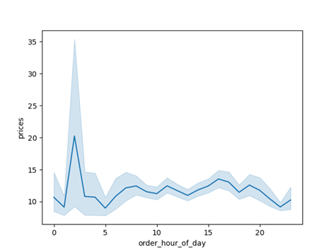

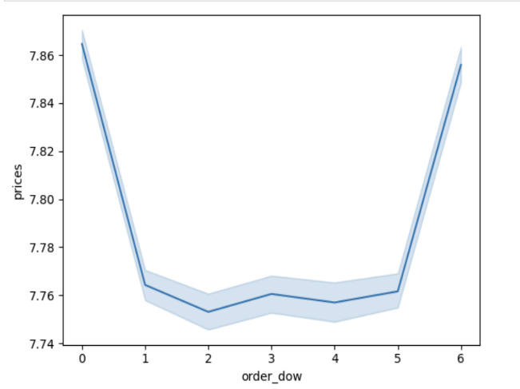

Observation: The highest spending occur between 00:00 hours and 0500 hours of the day and then decreases and stabilizes across the day. On another note, most spending is recorded on Saturday and Sunday and spending drops thereafter and assume an intermitent recovery and decline throughout the week.

Question: Can customers be classified by the frequency of orders they make? Is their spending dependent on whether they have dependents, their income level or age of clients?
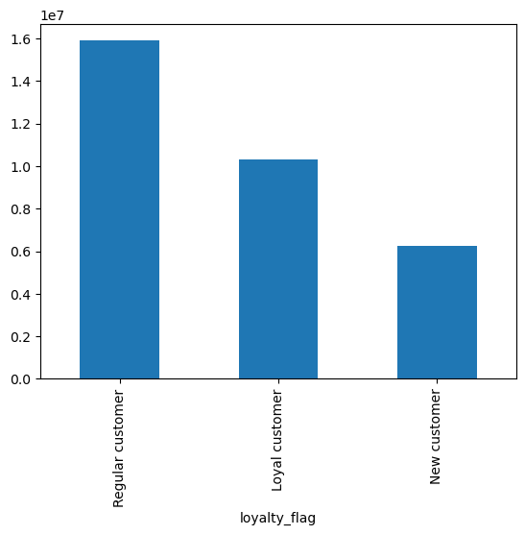
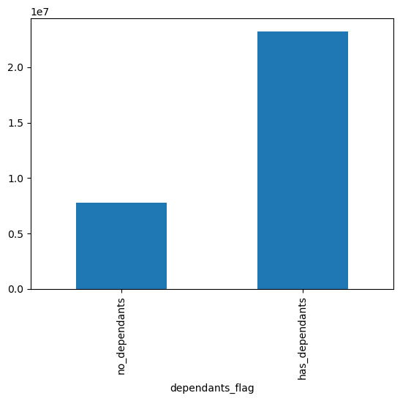
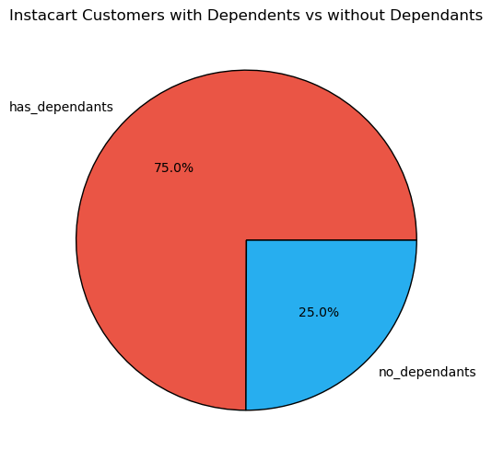
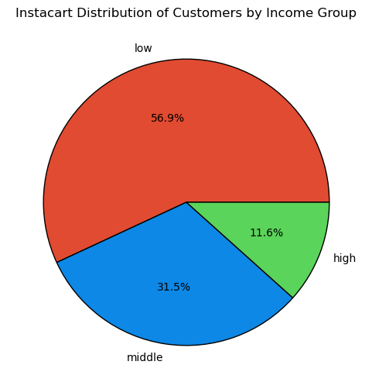
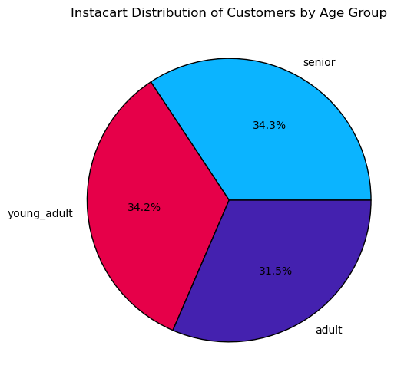

Observation: Instacart's customers can be grouped into regular, loyal and new customers based on frequency of orders. Also, most of the clients have dependents (75%) and most of the clients are of low income class (56.9%) and middle income (31.5%). Lastly, by age, Instacart's clients are almost equally divided into 3 groups young adult, adult and senior.

Question: Does customers' income level differ across the regions? And does having/not having dependants differ across region? And does clients' age differ across regions?
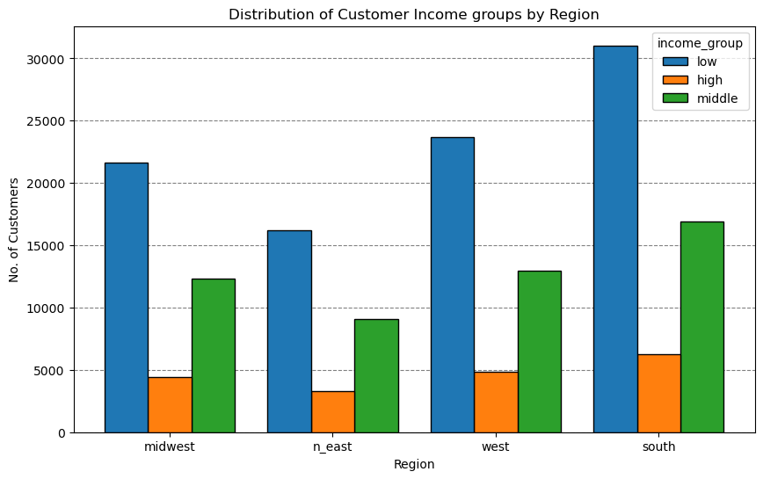
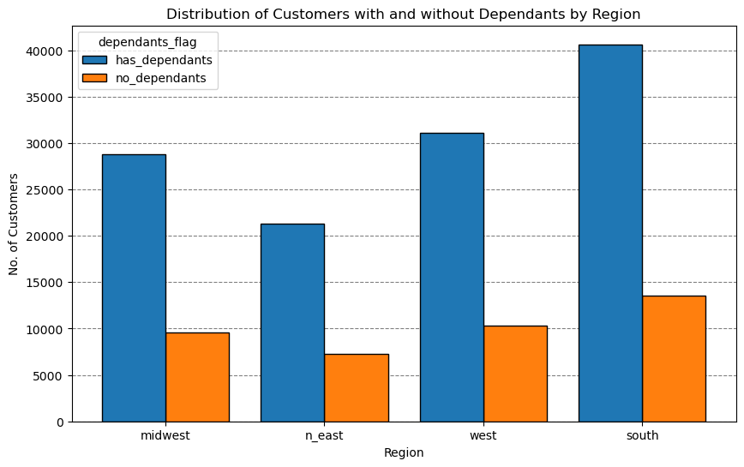
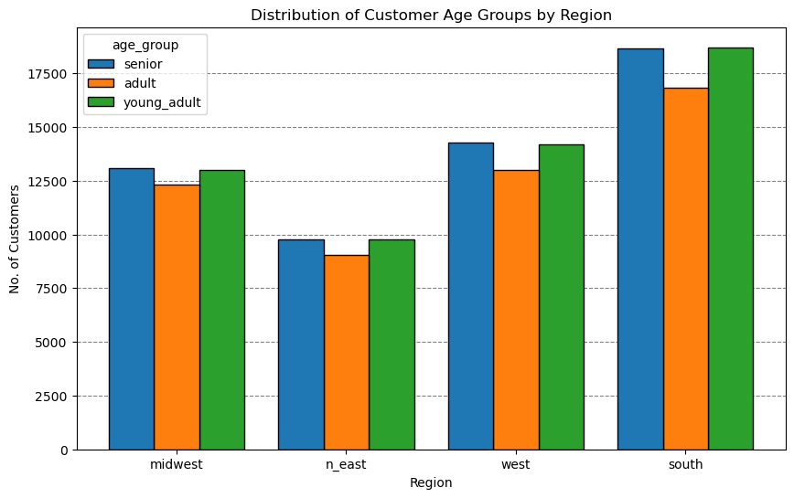

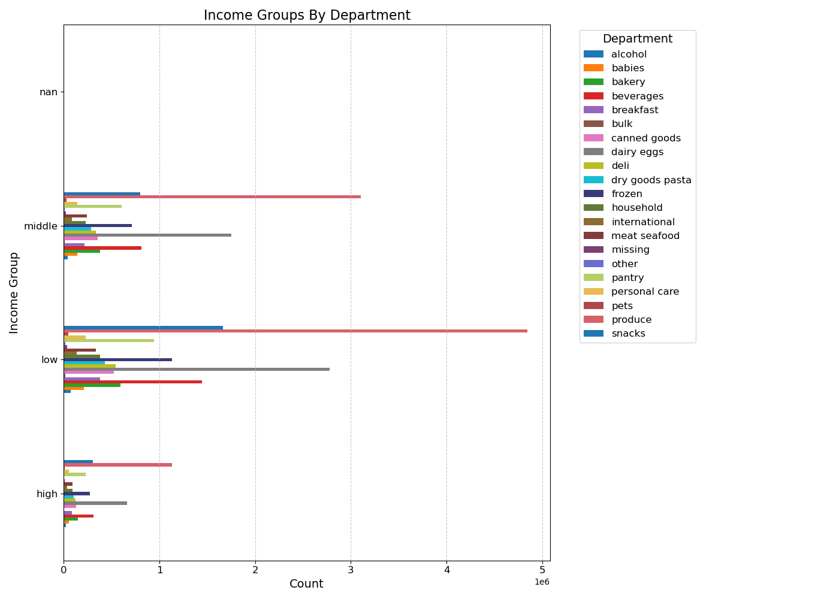

Observations: 1. Customers' income vary with each region. Low income customers are pronounced in the South region followed by the west and the midwest. The same trend obtains for middel and low income customers. 2. The south region has the highest count of customers with dependents, followed by the west, and midwest. 3. Customers also vary by age groups across region with the South having the highest count of younf adults, adult and the senior, followed by the west, andmidwest.

Question: Are there products that are bought more than others?
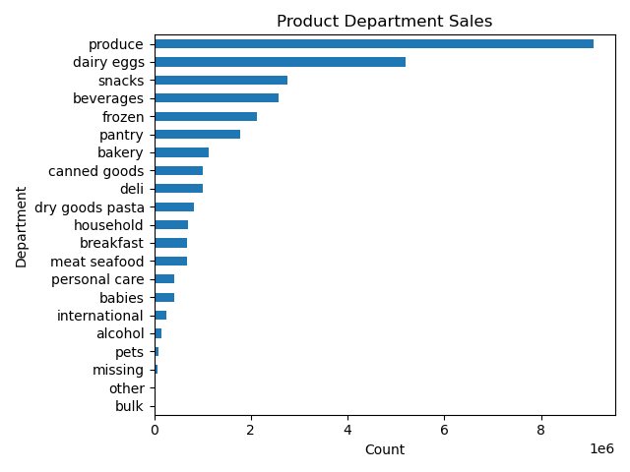

Observation: Produce, dairy eggs, snacks and forezen foods are more popular and bulk, other and pets foods are the least popular.

Question: Are customers' buying habits based on income level of customer or age group?
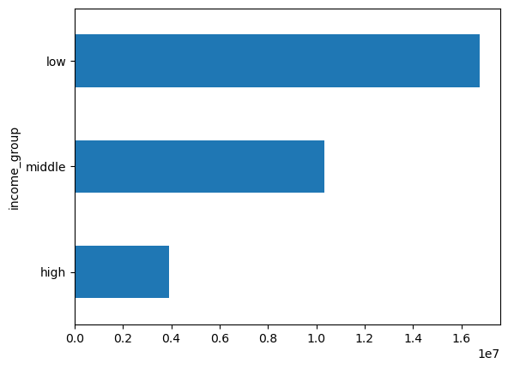
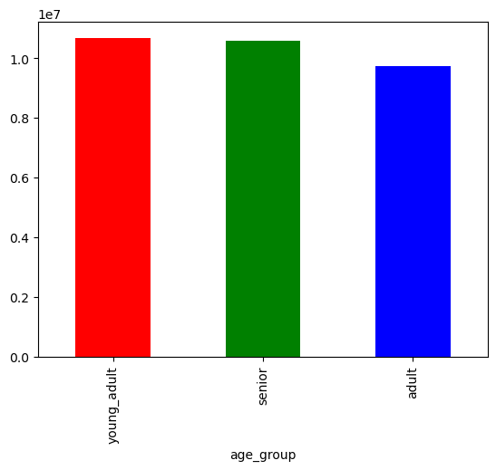

Observation: The customers are distincitvely grouped by income levels with the count of customer of low income being the most popular, followed by middle income class. Also, young adults and senior age groups are have almost the same count of customer and adult age group has the least count of customers.

Question: Do different product groups sell differently in different regions?

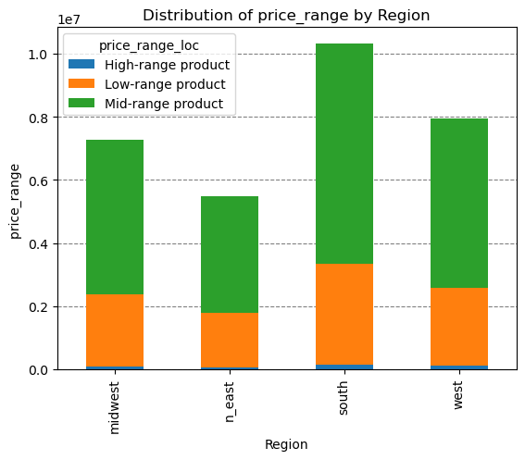

Observation: High range products are the least popular across all regions whilst midrange products are the most popular across all region followed by low range products.

Question: How are product departments distributed across regions?
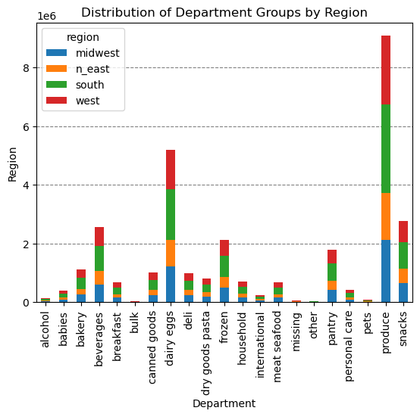

Question: Is there a relationship between age of customers and their income? Or customer age and the number of dependants?
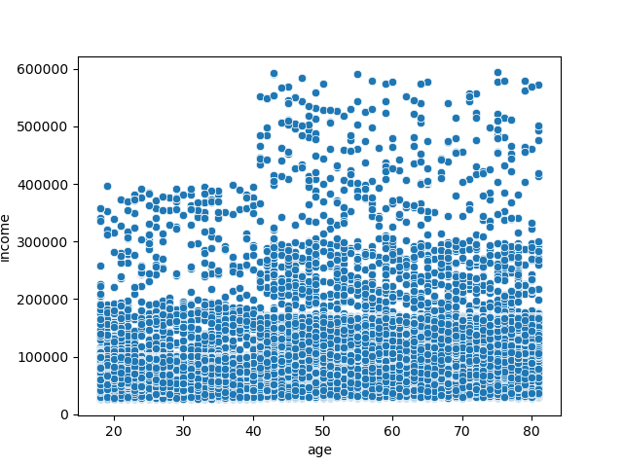
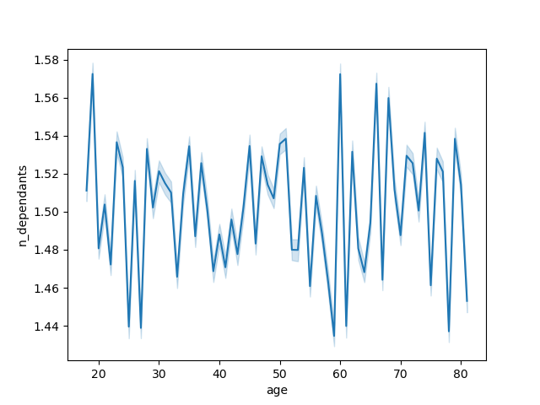

Observation: Below the age of 40, the maximum income is 400 000 with most of earning 200 000 and below. Post 40 years, income increases to a maximum of 600 000. In general, income increases with age.. However, there is no definite relationship between customer age and number of dependents.

Question: Are departmental sales a function of age group of customers or the region?
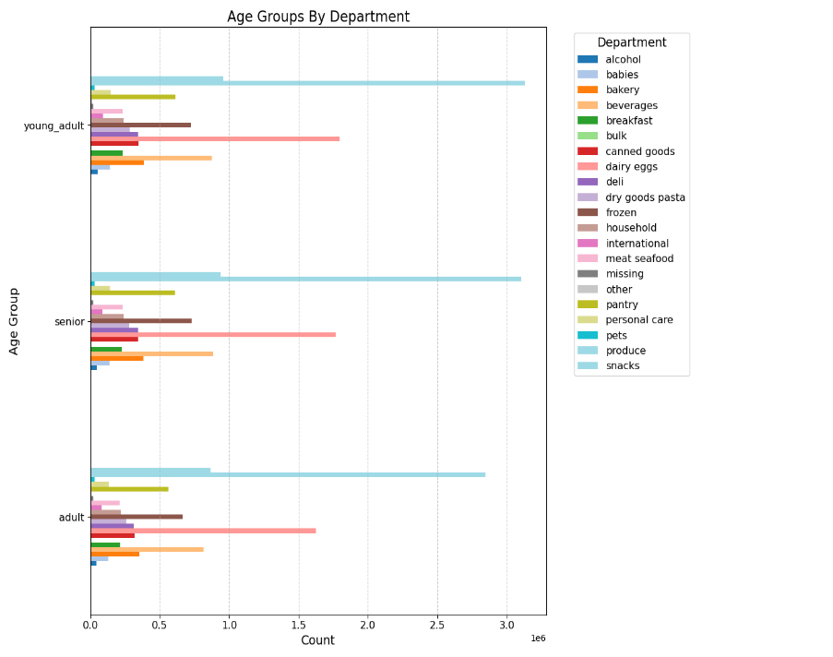
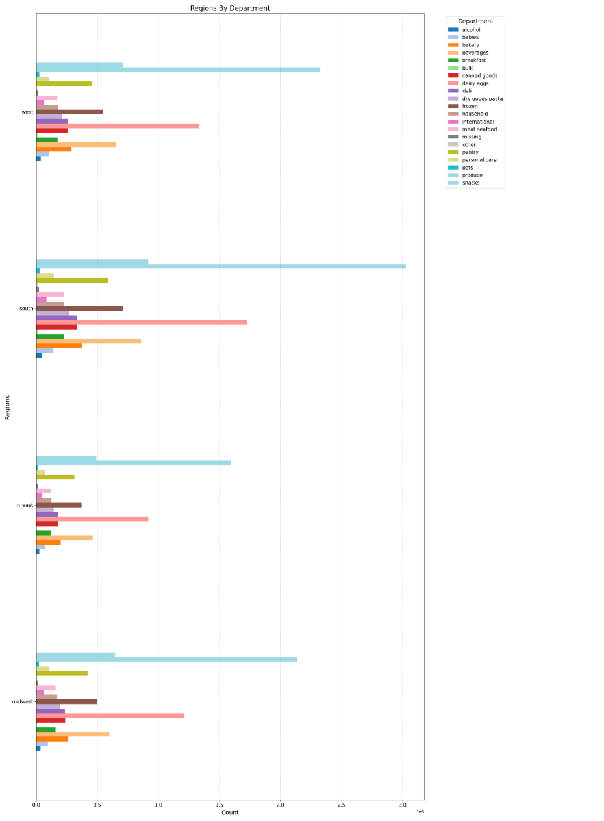

Observation: Whether departmental sales are grouped by customer age or region, produce and diary eggs are the most popular departments by sales volume. Departmental sales seem to portray the same sales trend across the age groups, same as for the different regions.

7. Recommendations
 |  | Title page

Recommendations

In this tab you should include any recommendations you would made to Instcart in terms of their marketing strategy based on the questions posed in the brief. Every key question has been covered in the Tasks of the Exercises - here you need to add an item - a visualisation or table/crosstable that is showing the answer in the data, acompanied by a comment from you. Please, list the questions below and add the answer underneath.

Question | Answer
Key Question 1. On which week days and hours of the day does Instacart record the highest sales (orders)? | Instacart's sales are at their best on Saturday and Sunday and the peak ordering hours are from 10 HRS to 15HRS daily. Accordingly, Instacart's sales team must consider promotions that are meant to scale-up orders on the low days and hours of the day.
Key Question 3. Which product departments attract the best sales/orders? | Instacart's 5 best-selling producsts by department are produce, dairy and eggs, snacks, drinks, and frozen food. To maintain the high sales, Instacart can consider building customer loyalty program, monitor inventory levels continuously, expand distribution channels, enhance product presentation, maintain high product quality and stay upto date with market trends on consumer preferences.
Key Question 4. Which customer loyalty group has the highest count? | Regular customers have the highest count, followed by loyal customers. Rewarding regular customers is likely to maintain their ordering frequency into the future but incentives for loyal and new customer can be considered to grow the count of regular customers..
Key Question 5. Are there differences in ordering habits based on a income levels? | The highest count of Instacart customers are low income class, followed by middle income and lastly, high income. Given price sentitiveness of low income class, promotions such as discounts will likely attract more of the client base from the low income class.
Key Question 6. Does ordering by clients differ with regions? | The South region has the highest number of customers, followed by the West, the Midwest, and the Northeast. All regions seemingly purchase the same range of products and the same product departments are popular across all regions. Ideally, the marketing strategy must equally consider all regions and product deprtments that are popular across the regions.
Key Question 7. Does customer age and marital status affect Instacart's sales/orders? | Instacart's clients by age group seem to imply that the three age groups are equally represented - thus no specific age group pushes Instacart's orders. However, customer with dependants are significantly more than those without dependants. Ideally, marketing strategy should prioritze the needs for customers with dependants inorder to maximise sales from this group of customers.
Key Question 8. What range or products must be promoted across the regions? | The data shows that mid-range products are the most popular, followed by low range products and lastly, high range products. This is consistent across all regions. Given the unpopularity of high range products across all regions, Instacart might consider promoting low and medium range products if they are to maximise sales.

